Sheet1
Length of a short optical fiber : 21.5 cm
The diameter of a long optical fiber : 17.5 cm
The winding number of a long optical fiber : 29 and a half
The refractive index of a fiber : 1.495 |  |  |  |  | Oscilloscope trace for a short optical fiber | Oscilloscope trace for a long optical fiber (time resolution : 4 ns)
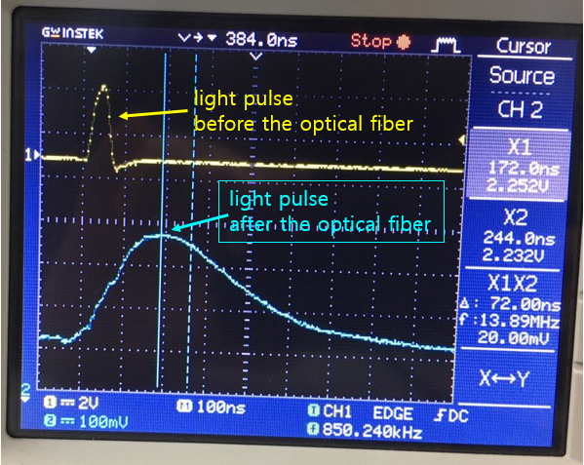
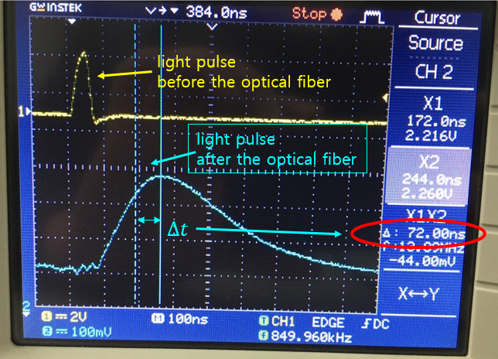

 | data | Experimental | Length Issue | Time issue
 | infractive index | 1.495 | 1.495 | 1.495
 | path difference (m) | 16.003472074 | 15.953472074 | 16.003472074
 | time difference (s) | 7.20E-08 | 7.20E-08 | 7.60E-08
 | calculated speed (m/s) | 3.32E+08 | 3.31E+08 | 3.15E+08
 | c (m/s) | 3.00E+08 | 3.00E+08 | 3.00E+08
 | %error | 10.764771995 | 10.418706812 | 4.9350464534

